2021
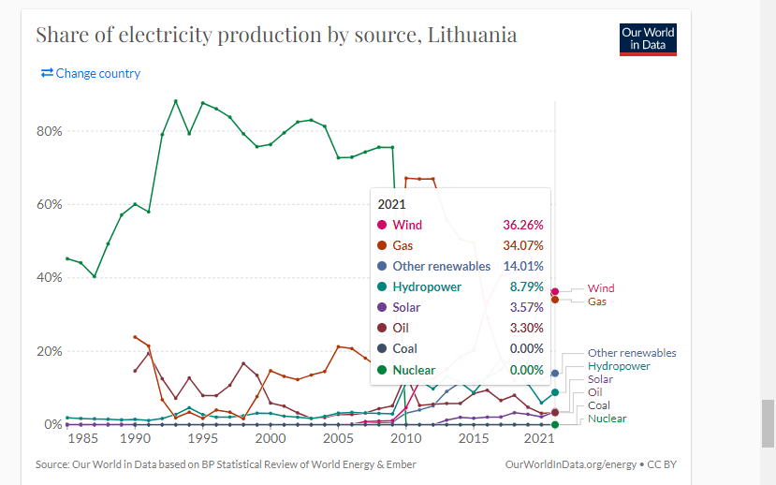
Country | Volume, MWh | Share of total
Norway | 156,456,437 | 42%
Sweden | 165,076,458 | 45%
Finland | - | 0%
Denmark | 31,382,133 | 9%
Estonia | 5,734,484 | 2%
Latvia | 5,529,613 | 2%
Lithuania | 4,316,012 | 1%
Total | 368,495,137 | 100%

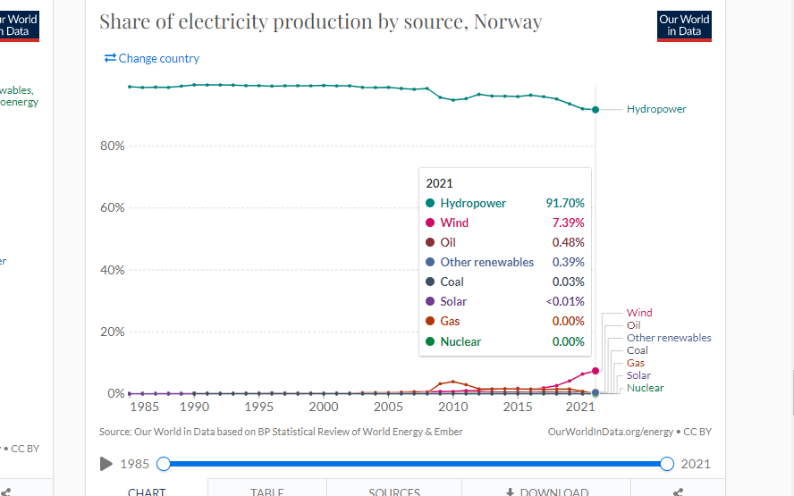
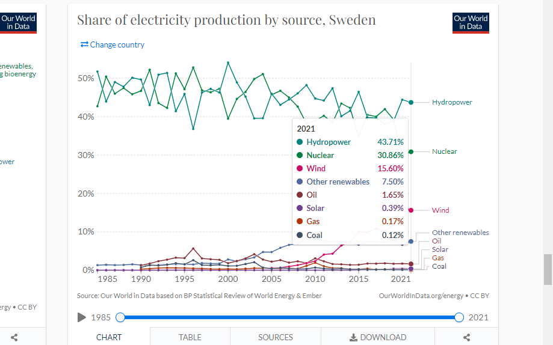
 | Norway |  |  | Sweden

 | Finland |  |  | Denmark
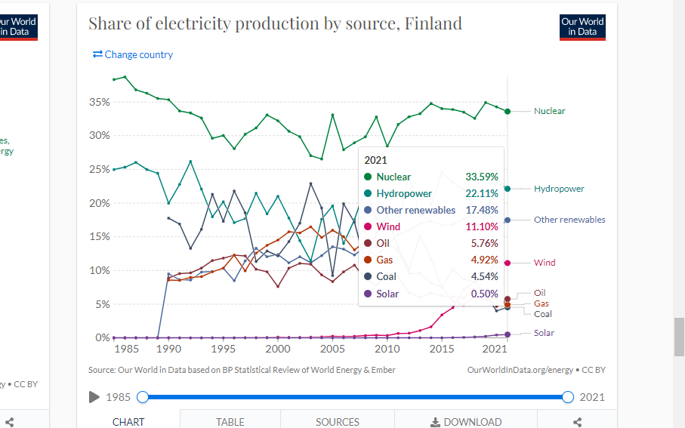
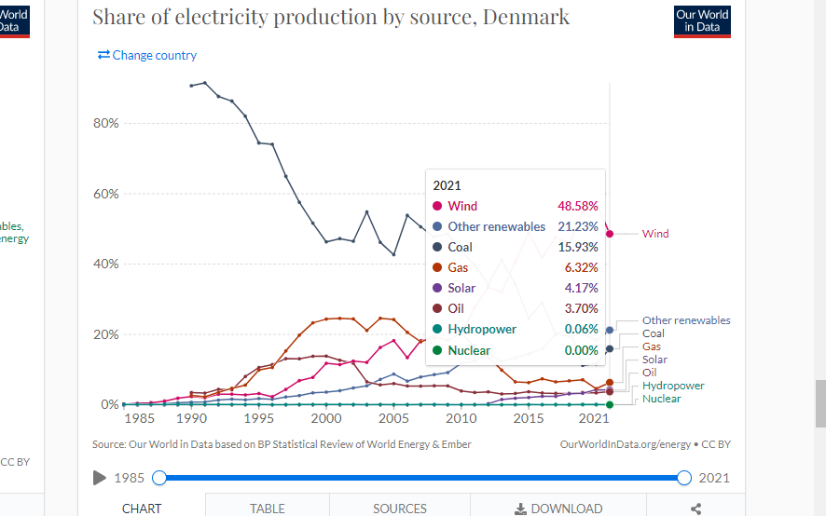

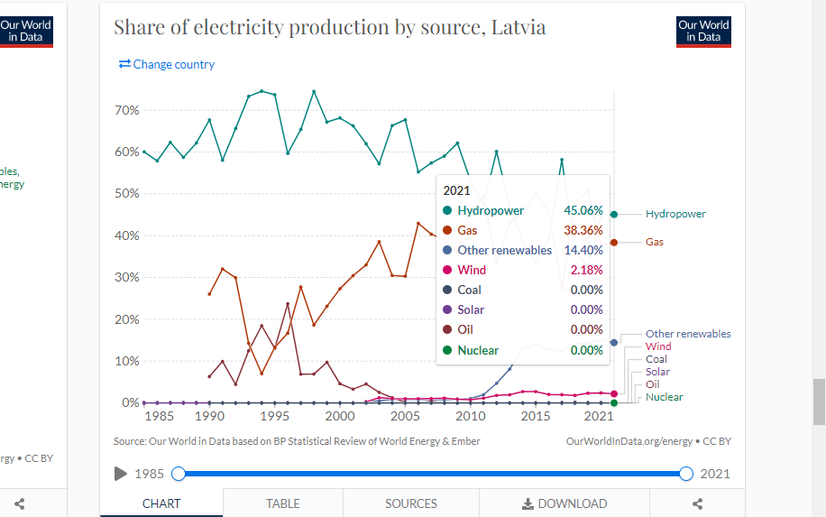
Estonia |  |  |  | Latvia
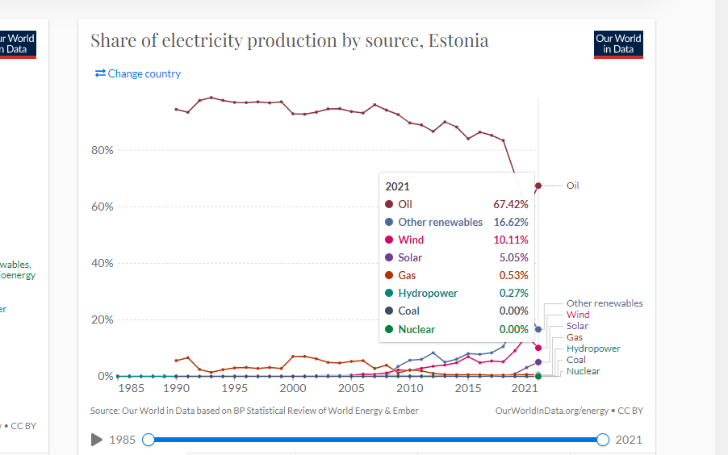

 |  |  | Lithuania

